Power-Interest
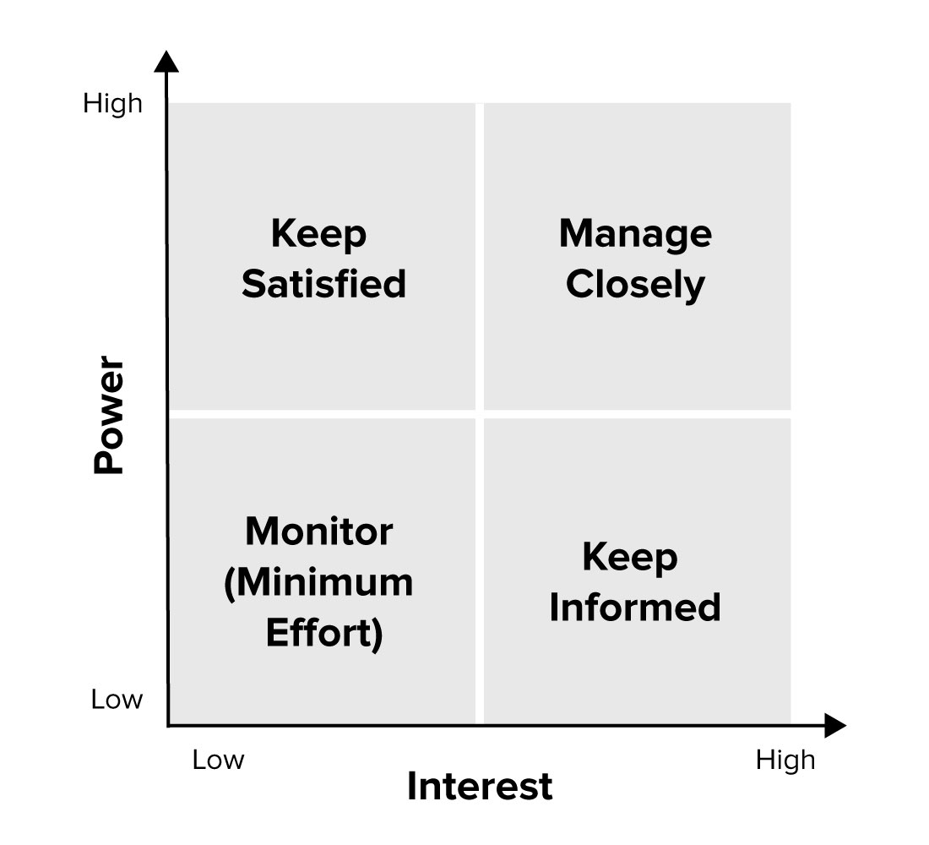
Stakeholder | Power Score | Interest Score
Contracting Officers / Specialists | 10
Project / Program Managers
Supervisory COs
Heads of Contracting Activities (HCAs)
Senior Procurement Officers (SPEs)
Senior Executives - Programs
Contracting Officer Representatives
Category Managers (SES)/ extenal ?
Category Management PMs
Acquisition Innovation Advocates
Procurement Innovation Labs
#REF! | #REF! | #REF!
#REF! | #REF! | #REF!
#REF! | #REF! | #REF!
#REF! | #REF! | #REF!
#REF! | #REF! | #REF!
#REF! | #REF! | #REF!
#REF! | #REF! | #REF!
#REF! | #REF! | #REF!
#REF! | #REF! | #REF!
#REF! | #REF! | #REF!
#REF! | #REF! | #REF!
#REF! | #REF! | #REF!
#REF! | #REF! | #REF!

